HK energy statistics
 |  |  |  |  |  |  |  | https://www.statistics.gov.hk/pub/B11000022017AN17B0100.pdf

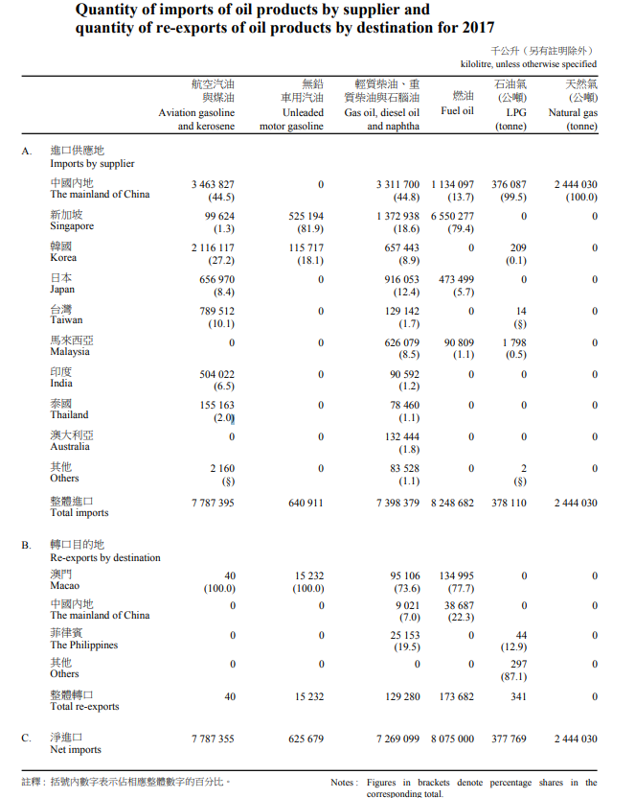
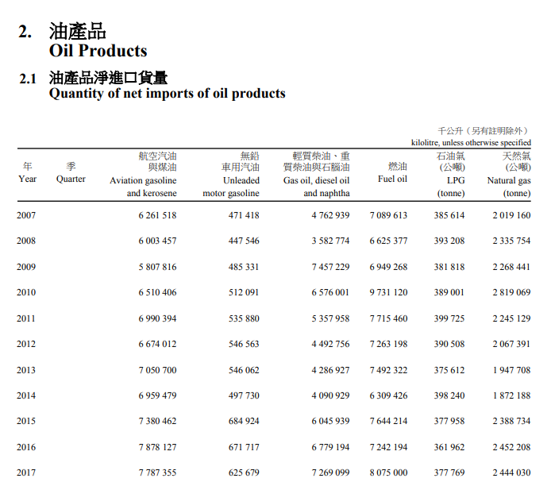

 |  | kilolitre | kilolitre | kilolitre | kilolitre | tonne | tonne
 |  | Aviation gasoline | Unleaded motor gasoline | Gas oil, diesel oil and naphtha | Fuel oil | LPG (tonne) | Natural Gas (tonne)
 | Net | 7787355 | 625679 | 7269099 | 807500 | 377769 | 2444030
 | Import | 7787395 | 640911 | 7398379 | 8248682 | 378110 | 2444030
 | Re-export | 40 | 15232 | 129280 | 173682 | 341 | 0

 |  | Net | Import | Re-export
kilolitre | Aviation gasoline | 7787355 | 7787395 | 40
kilolitre | Unleaded motor gasoline | 625679 | 640911 | 15232
kilolitre | Gas oil, diesel oil and naphtha | 7269099 | 7398379 | 129280
kilolitre | Fuel oil | 807500 | 8248682 | 173682
tonne | LPG (tonne) | 377769 | 378110 | 341
tonne | Natural Gas (tonne) | 2444030 | 2444030 | 0

 | Tonne | Steam coal and other coal | Wood charcoal | Anthracite
 | Net | 12350726 | 4954 | 9
 | Import | 12350750 | 9346 | 9
 | Re-export | 24 | 4392 | 0

 | terajoule
 |  | Coal products | Oil products | Electricity | Gas
 | Indigenous production | 0 | 2894 | 0 | 0
 | Imports | 277058 | 1024977 | 45274 | 0
 | Exports | 9 | 12132 | 4828 | 0
 | Bunker |  |  |  | 0
 | Supply from stock |  |  |  | 0
 | Primary energy requirements |  |  |  | 0
 | Gas manufacture
 | Electricity generation
 | System loss
 | Final energy requirements

